Base Case Description
Base Case Description

Open Switches | Generator Setpoints | kW | Solar irradiation | Sample Points for validation
 |  |  |  |  | Node | Line | Feeder
Line.WD701_48332_sw | SteamGen1 | 1000 | 100% of possible | #1 | E192860 | Line.ln5815900-1 | S1
Line.WF586_48332_sw | MicroTurb-1 | 50 | All PV at rated MPP output | #2 | M1047303 | Line.ln6380847-1 | S2
Line.WF856_48332_sw | MicroTurb-2 | 0 |  | #3 | E203026 | Line.ln6044631-1 | S3
Line.WG127_48332_sw | MicroTurb-3 | 0 |  | #4 | L2955077 | Line.ln6381853-1 | S1
LINE.LN0653457_SW | MicroTurb-4 | 100 |  | #5 | M1069310 | Line.ln5486729-1 | S2
LINE.V7173_48332_SW | Diesel620 | 0 |  | #6 | M1026907 | Line.ln6350537-1 | S3
LINE.TSW803273_SW | Diesel590 | 0
LINE.A333_48332_SW | LNGEngine100 | 0
LINE.TSW320328_SW | LNGEngine1800 | 0
LINE.A8645_48332_SW
LINE.TSW568613_SW

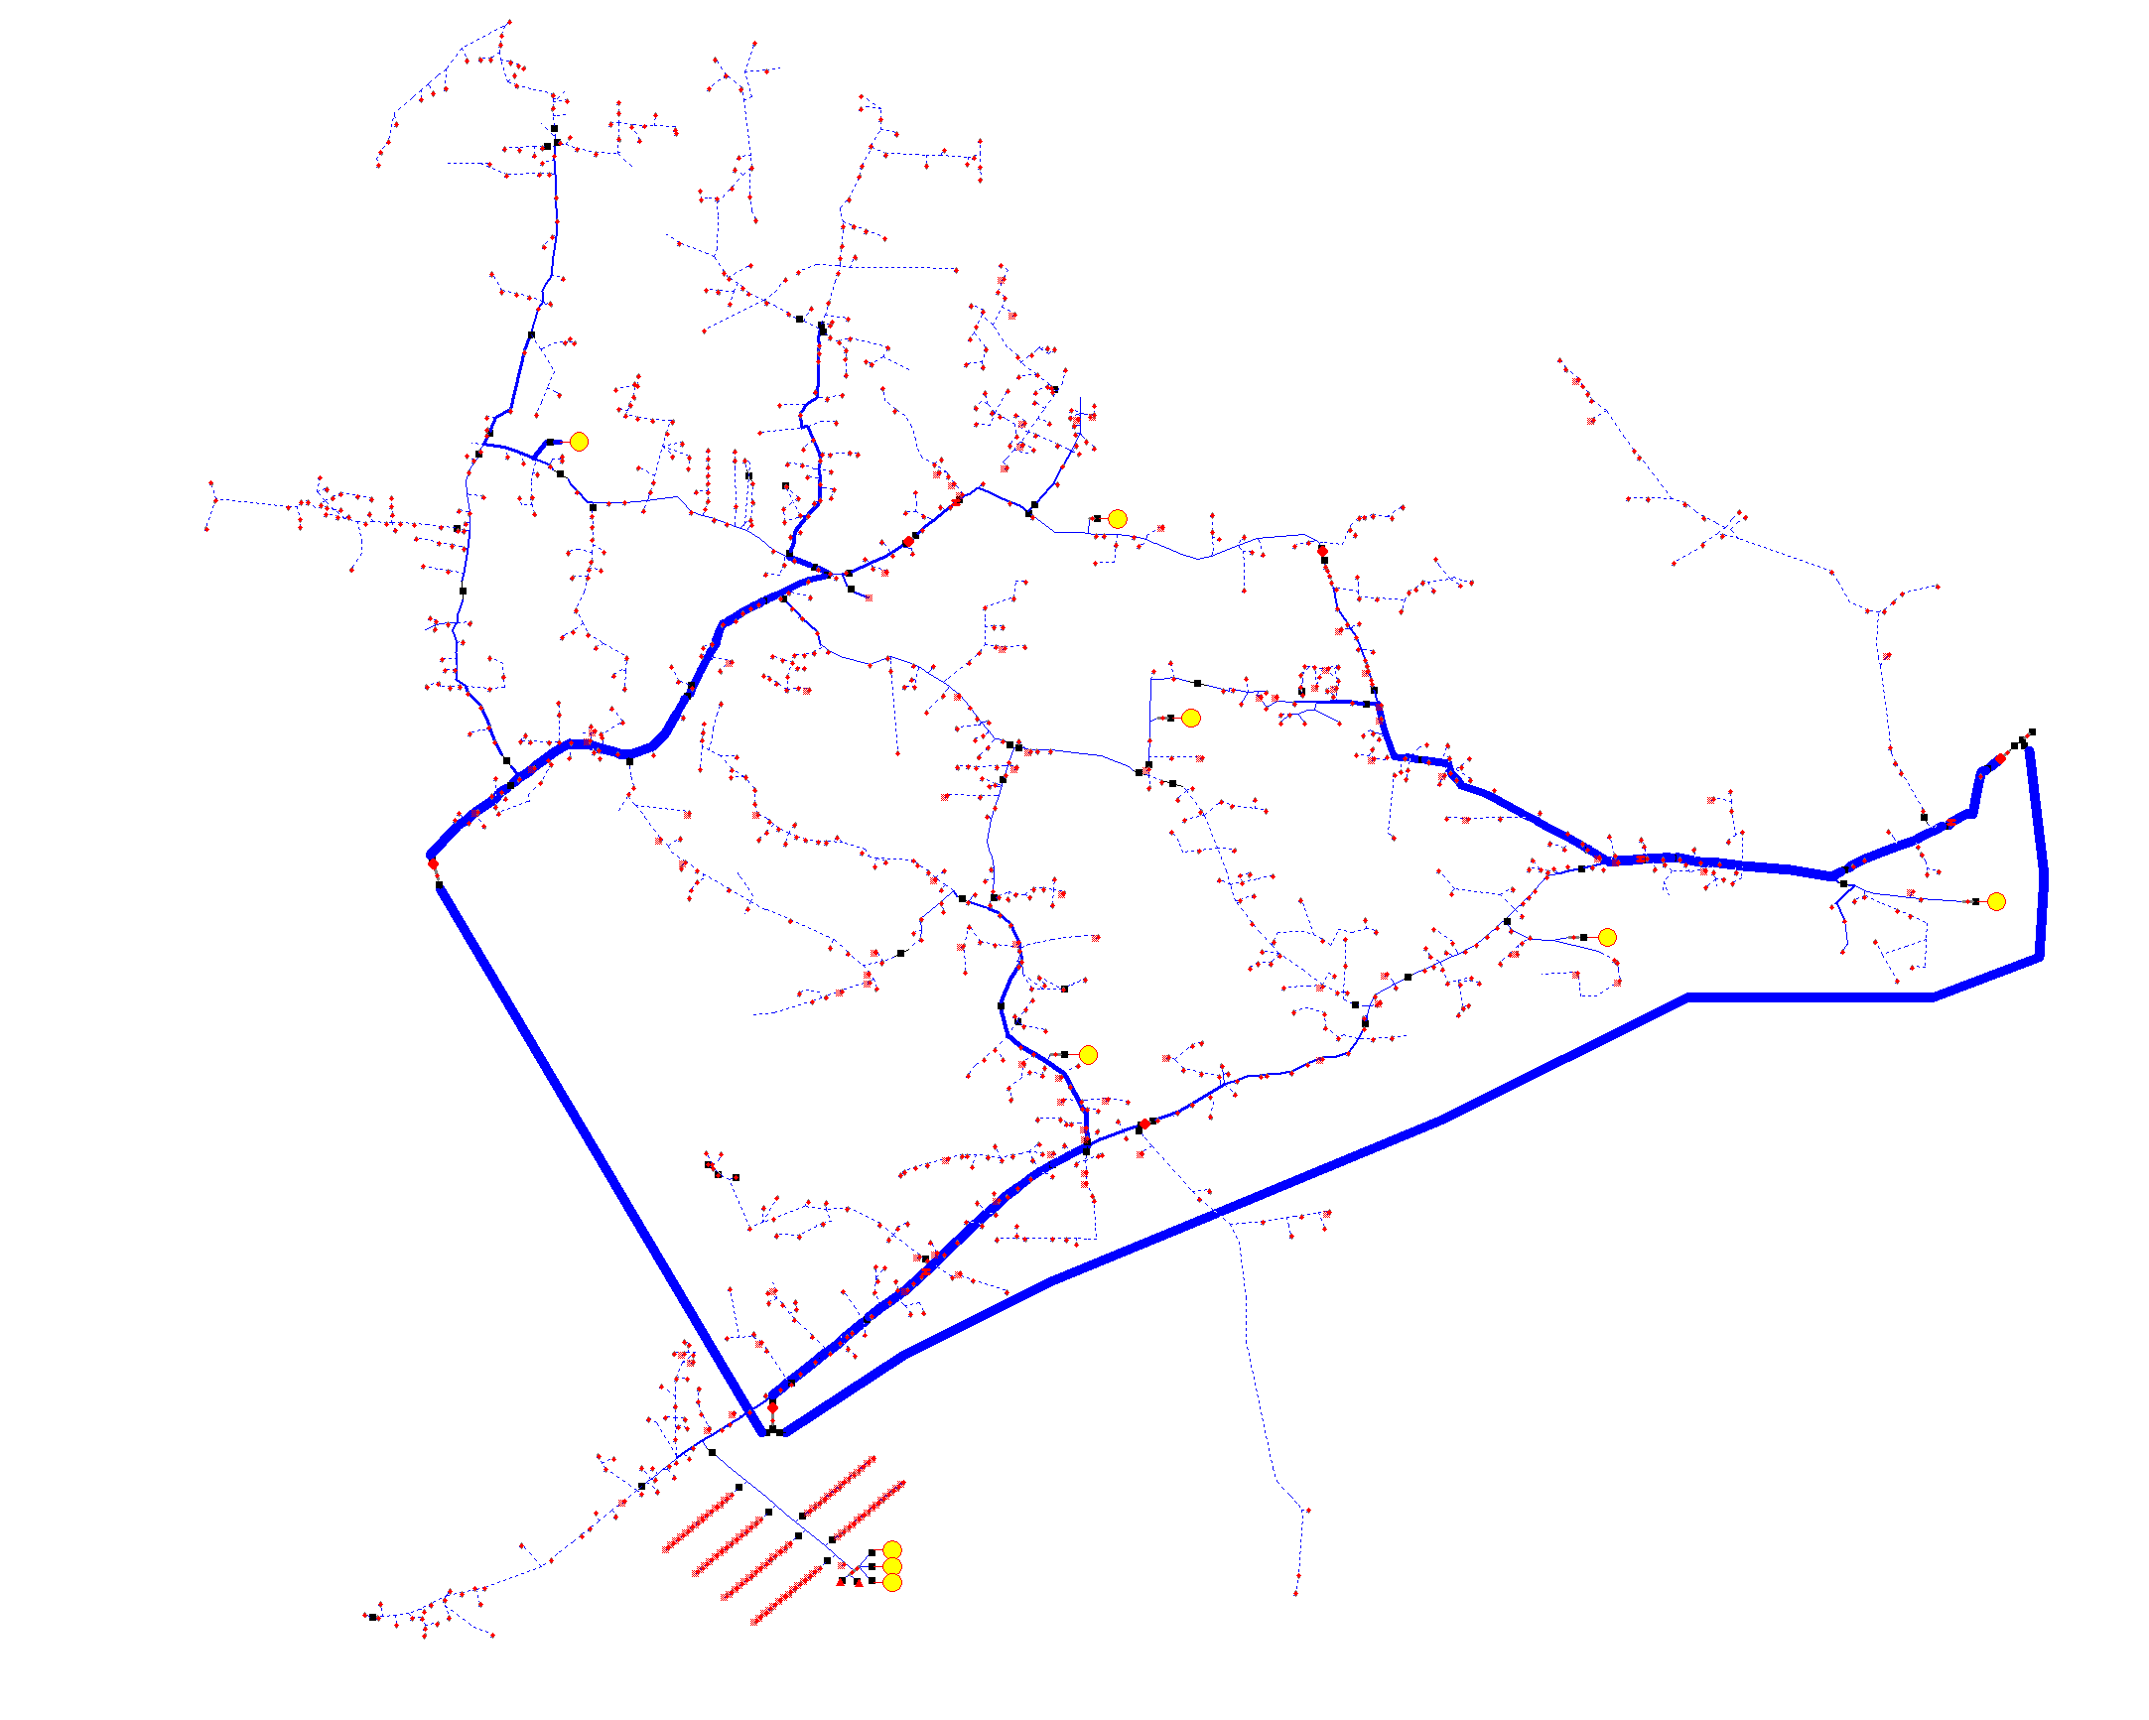
1
2
3
4
5
6

